Sheet1
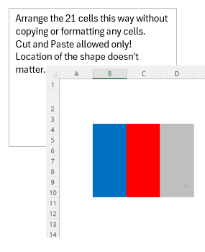
Move Counter
-2 | 2

